Source
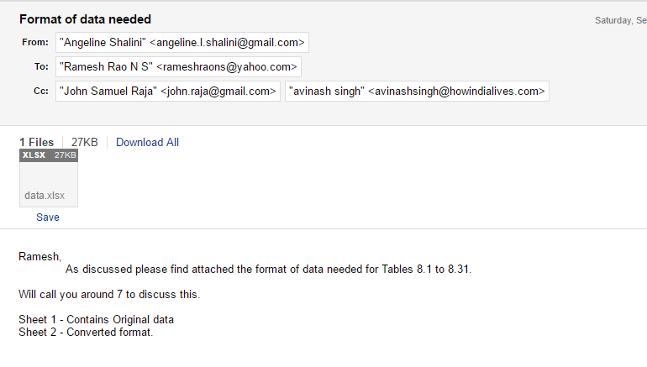

http://www.censusindia.gov.in/2011-Documents/mccd_Report1/Mccd_2013.pdf

